AWC service
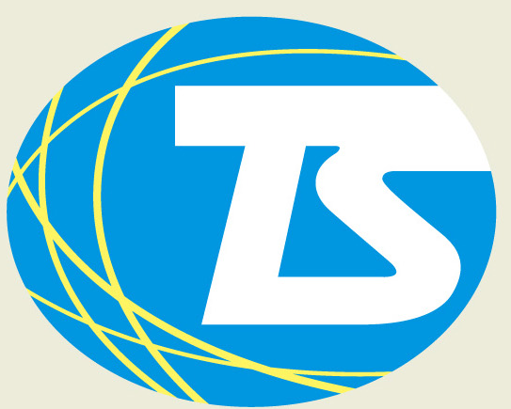
 | 德翔海運有限公司

 | T. S. Lines Ltd. |  |  |  |  | SCAC code : TSYN

 | 9/F., C-Bons International Center, 108 Wai Yip Street, Kowloon, Hong Kong
 | Tel : (852)34132224 / 2214 Fax: (852)34132211

AWC Service - LONG BEACH

AWC Service
Vessel Name | Vessel Code | Voyage | Service Code | Qingdao | Shanghai | Ningbo | Busan | Long Beach
 |  |  |  | ETA | ETA | ETA | ETA | ETA
KMTC MUNDRA | KMDR | 2505E | AWC | 2025-08-21 | 2025-08-23 | 2025-08-27 | 2025-08-29 | 2025-09-11
NORTHERN MONUMENT | NMMT | 2505E | AWC | 2025-08-28 | 2025-08-30 | 2025-08-31 | 2025-09-02 | 2025-09-17
Blank Sailing
SUEZ CANAL | SCNL | 2505E | AWC | 2025-09-13 | 2025-09-15 | 2025-09-16 | 2025-09-19 | 2025-10-02
TS TACOMA | TIWA | 2509E | AWC | 2025-09-17 | 2025-09-19 | 2025-09-21 | 2025-09-23 | 2025-10-08
TS VANCOUVER | VANA | 2508E | AWC | 2025-09-24 | 2025-09-26 | 2025-09-28 | 2025-09-30 | 2025-10-15
KMTC MUNDRA | KMDR | 2506E | AWC | 2025-10-01 | 2025-10-03 | 2025-10-05 | 2025-10-07 | 2025-10-22
NORTHERN MONUMENT | NMMT | 2506E | AWC | 2025-10-08 | 2025-10-10 | 2025-10-12 | 2025-10-14 | 2025-10-29
TBA |  |  | AWC
SUEZ CANAL | SCNL | 2506E | AWC | 2025-10-22 | 2025-10-24 | 2025-10-26 | 2025-10-28 | 2025-11-12
TS TACOMA | TIWA | 2510W | AWC | 2025-10-29 | 2025-10-31 | 2025-11-02 | 2025-11-04 | 2025-11-19
TS VANCOUVER | VANA | 2509E | AWC | 2025-11-05 | 2025-11-07 | 2025-11-09 | 2025-11-11 | 2025-11-26
KMTC MUNDRA | KMDR | 2507E | AWC | 2025-11-12 | 2025-11-14 | 2025-11-16 | 2025-11-18 | 2025-12-03
NORTHERN MONUMENT | NMMT | 2507E | AWC | 2025-11-19 | 2025-11-21 | 2025-11-23 | 2025-11-25 | 2025-12-10
TBA |  |  | AWC

Hong Kong Export – 1st Leg Vessel Schedule Connecting at Pusan
HONG KONG |  |  |  |  |  |  |  |  |  |  | ETA
Vessel | Vessel Code | Voyage | Service | CY OPEN | CY CLOSING |  | SI cut-off |  | ETA | ETD | KRPUS
TS SHENZHEN | SZNB | 25017N | JHTN | 2025-09-01 | 2025-09-04 | 1700 | 2025-09-05 | 1200 | 2025-09-05 | 2025-09-06 | 2025-09-13
TS KOBE | UKBB | 25019N | JHTN | 2025-09-08 | 2025-09-11 | 1700 | 2025-09-11 | 1200 | 2025-09-12 | 2025-09-13 | 2025-09-20
TS SHENZHEN | SZNB | 25018N | JHTN | 2025-09-15 | 2025-09-18 | 1700 | 2025-09-18 | 1200 | 2025-09-19 | 2025-09-20 | 2025-09-27
TS KOBE | UKBB | 25020N | JHTN | 2025-09-22 | 2025-09-25 | 1700 | 2025-09-25 | 1200 | 2025-09-26 | 2025-09-17 | 2025-10-04
TS SHENZHEN | SZNB | 25019N | JHTN | 2025-09-29 | 2025-10-02 | 1700 | 2025-10-02 | 1200 | 2025-10-03 | 2025-10-04 | 2025-10-11
TS KOBE | UKBB | 25021N | JHTN | 2025-10-06 | 2025-10-09 | 1700 | 2025-10-09 | 1200 | 2025-10-10 | 2025-10-11 | 2025-10-18

TSL USWC Agency Service
Waterfront Maritime Services / Ben Line Agencies (USA) Inc.
16300Christensen Road #213 Seattle Washington 98188 U.S.A.
TEL: +1 562 709 9123

Import Customer service / Documentation Team
email : tsl.cs.us@benline.com
Direct Line: 562 709 9123

